Tool Kit Overview
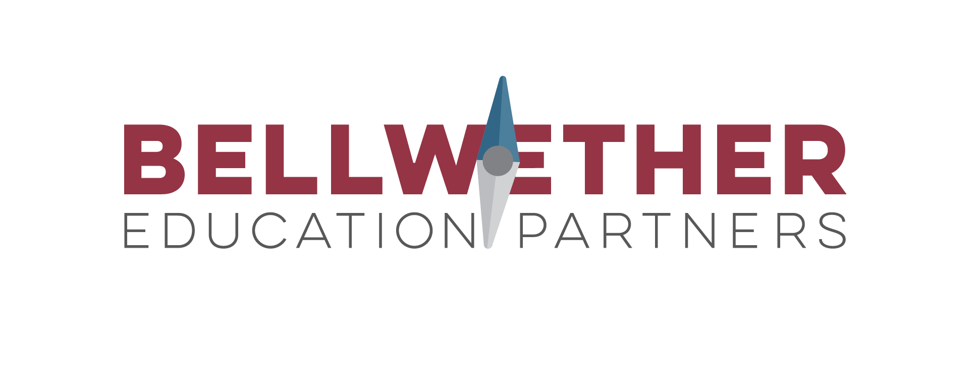
 | COVID-19 Strategic Planning Tool Kit for Education and Nonprofit Leaders
 | 2020-04-01

Context
We recognize that strategic planning is both difficult and essential during this time of crisis. Bellwether recommends a simple, four phase planning approach (outlined below) to cut through the noise and focus limited time, energy, and resources.
The purpose of this Excel file is to provide "ready to use" planning templates (one per tab) aligned to this approach.
How to Use This Toolkit
Review the four phases outlined in the table below. Then move to the next tab to access the planning template for Phase 1: Reground. Follow the directions written in red, and fill in the light grey cells with your team's responses. Examples are provided in blue to support your thinking. Repeat this process for each tabs in this toolkit. You may want to upload this file to Google Sheets to allow collaboration on the templates across your team.
Phase | Essential Question | Why It Matters | Tool | Description
1. REGROUND. | What is our purpose and what does this mean for how we respond in this moment? | Your mission, vision, and core values can serve as your “North Star” and a lens through which you make tough decisions. | North Star Protocol | This “ready to use” meeting protocol will reground your team in your organizational “why” and then lead you through a structured brainstorming process to establish guiding principles for this time.
2. PRIORITIZE. | If we only get a few things right over the next few days, weeks, and months, what should they be? | Certain things matter more than others, particularly during a crisis. Decide what is absolutely essential to get right and focus there. | Prioritization Protocol | This protocol will push your team to sort through both the short and long term, and then relentlessly prioritize, ensuring focus on the most urgent and high-leverage work. You will leave aligned on a handful of short-term priorities that will drive your focus in the weeks ahead.
3. PLAN. | How will we organize ourselves to ensure we deliver on our priorities? | Moving to action during such uncertainty is a challenge. Develop simple and actionable plans, but remain flexible. | Work Plan Tool | Work plans break down projects into manageable steps with clear owners and outlined goals. This project planning template will help your team get specific about the tasks, timelines, and owners necessary to drive the work forward.
4. CONNECT. | How will we connect with others to communicate our plan efficiently, effectively, and with empathy? | Connection is key during moments of challenge. Provide clear, frequent, and empathetic communication and opportunities for community-building. | Stakeholder Engagement Map | Use this tool to identify all essential stakeholder groups, consider their needs, and plan to successfully connect with them throughout this crisis. You’ll plan for the format, frequency, and type of communication each group needs.
Acknowledgements
Bellwether Education Partners would like to thank all of the education and nonprofit leaders, teachers, and school staff who are working hard on behalf of students during this extremely trying time. We hope this toolkit is a helpful resource as you make decisions and plan in the midst of uncertainty. Thank you to the Bellwether teammates who contributed to the development of this resource, including but not limited to Lina Bankert, Andrew Rotherham, Alyssa Schwenk, Tanya Paperny, and Jeff Schulz. Any errors are the responsibility of the authors alone. For more information, email contactus@bellwethereducation.org.
Authors
Tresha Ward, Partner
Stephanie Spangler, Consultant
Katie Rouse, Senior Associate Partner
Eleisha Nelson-Reed, Associate Partner

